Guidance
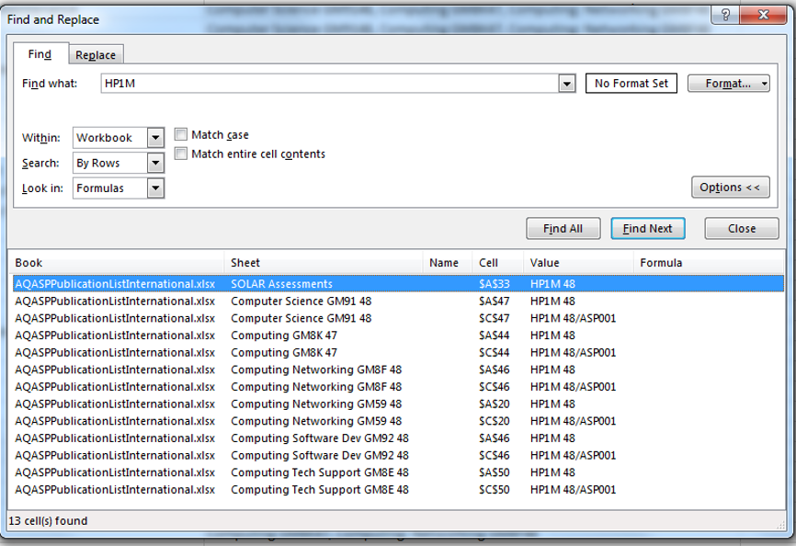
To search for an assessment within this publication list, please follow the guidance below.

1. Click on the "Find & Select" tool at the top right hand side of your screen. From the dropdown menu choose "Find".

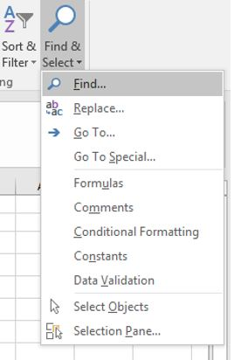

2. On the "Within:" dropdown list select "Workbook"- this will enable you to search the whole workbook not just individual sheets.

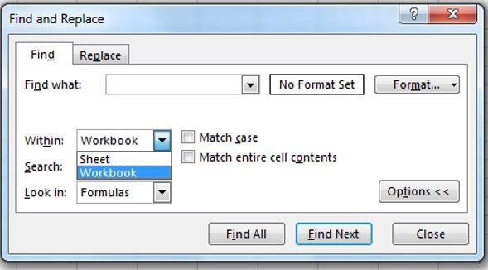

3. Type in the first four characters of the unit code and click on "Find All".

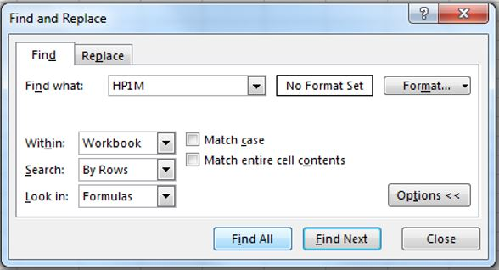

4. The results box wil show which sheets within the workbook contain details of an Assessment Support Pack.

